Sheet1


M/S Delta Industrial Supplies |  |  |  |  | 6-Aug-24

PO # GSK-1758
Att: Mr. Sheeraz

PURCHASE ORDER

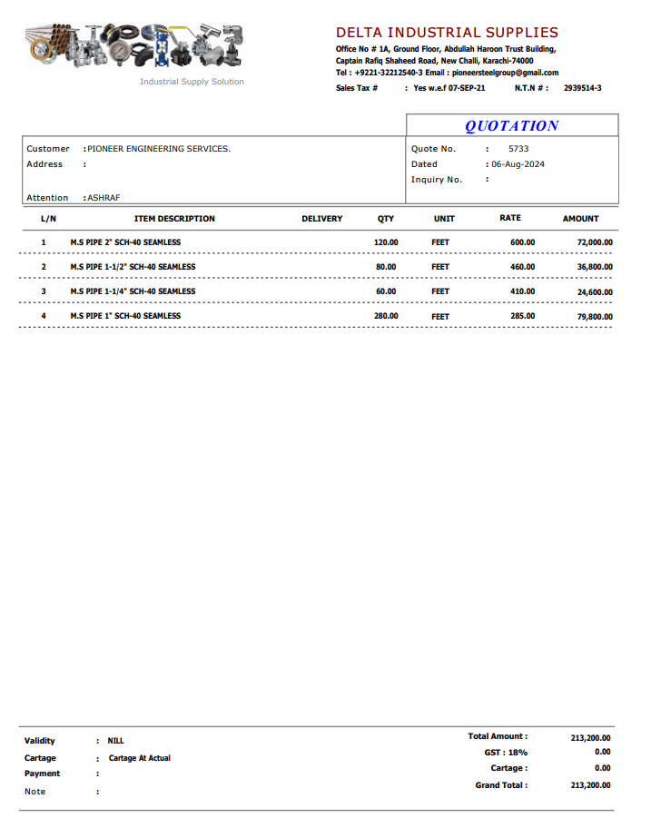
Supply of Pipes for the M.S Pipe (CITI BANK DMC Karachi)
S No. | D e s c r i p t i o n | Qty | Unit | Rate | Amount
 | Brand: PROTEK
1 | M.S. SEAMLESS PIPE SCH-40 SIZE 1"Ø | 280 | RFt | 285 | 79,800
1 | M.S. SEAMLESS PIPE SCH-40 SIZE 1-1/2"Ø | 60 | RFt | 410 | 24,600
1 | M.S. SEAMLESS PIPE SCH-40 SIZE 1-1/2"Ø | 80 | RFt | 460 | 36,800
1 | M.S. SEAMLESS PIPE SCH-40 SIZE 2"Ø | 120 | RFt | 600 | 72,000
 |  | TOTAL: |  |  | 213,200

for Pioneer Services

